Introduction
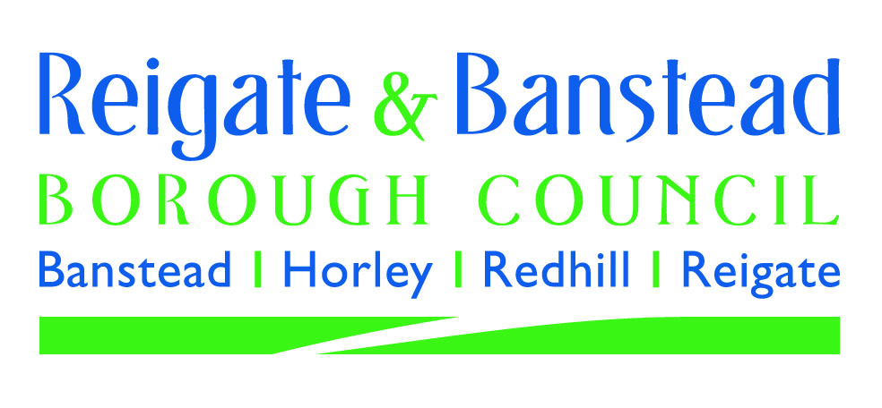

Reigate & Banstead BC Community Infrastructure Levy
Indicative CIL Calculator

About CIL The Community Infrastructure Levy (CIL) is a charge that local authorities can set on new development in order to raise funds to help pay for the infrastructure, facilities and services needed to support growth such as road improvements, schools and community facilities. The levy is intended to offer a fairness and transparency to local authorities, communities and developers alike, balancing the need to fund infrastructure with the viability of development. The levy may be payable on development which creates net additional floor space (calculated according to gross internal floorspace), subject to the charges set out in the Council's Charging Schedule. Development where the gross internal area of new build is less than 100 square metres does not pay the levy except where one or more new dwellings (houses or flats) will be created as a result. In certain circumstances the floorspace of an existing building to be redeveloped can be taken into account in calculating the chargeable amount. Each case is a matter for the collecting authority to judge. Where part of an existing building has been in lawful use for a continuous period of 6 months within the past three years, parts of that building that are to be demolished or retained can be taken into account. In addition to developments under the size threshold, some other forms of development are also not liable to pay the levy or may be able to claim relief from it. This includes: - buildings into which people do not normally go - buildings into which people go only intermittently for the purpose of inspecting or maintaining fixed plant or machinery - structures which are not buildings, such as pylons and wind turbines, - specified types of development which local authorities have decided should be subject to a ‘zero’ rate and specified as such in their charging schedules - vacant buildings brought back into the same use - exemption for residential annexes and residential extensions and for new houses and fla

Go to Liability Calculator | Go to Relief Self-Assessment

